Compressor
File name | Compressor Curves.hsc
Unit Operation | K-100

Workflow
1. Open attached Compressor Curves.hsc file.
2. Click on Datasheet button, select a server and workspace to connect .
3. Click on Mapper tab, click on the hyperlink of K-100, map K-100 as centrifugal compressor, and select Create for Workspace Object column.
4. Close the Object Mapping screen, click Save Change and Transfer.
5. Back to ABE Explorer, doube click on the object to see the attributes. Make sure all data can be transferred to ABE correctly.

Expected Results |  | Notes: Existing Defect CQ00768926 V10 [SM] - Hysys- Compressor: StandardVaporVolumetric FlowRate is incorrect |  |  |  | In ABE | MaterialPorts-Inlet | MaterialPorts-Outlet
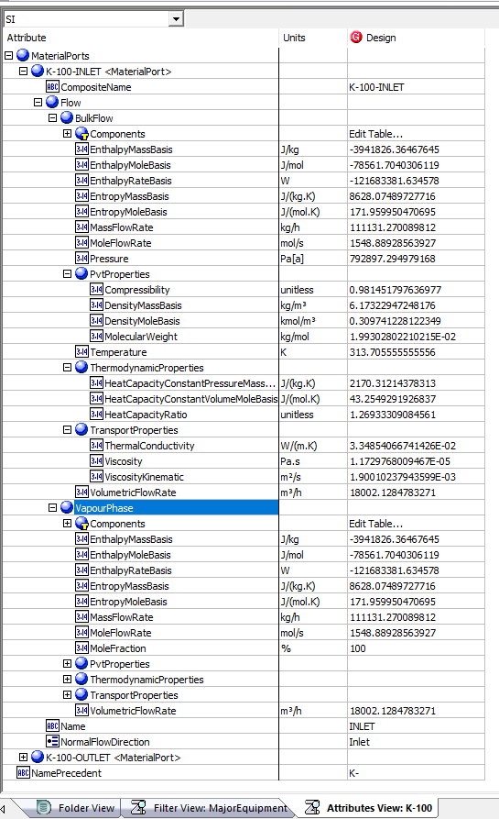
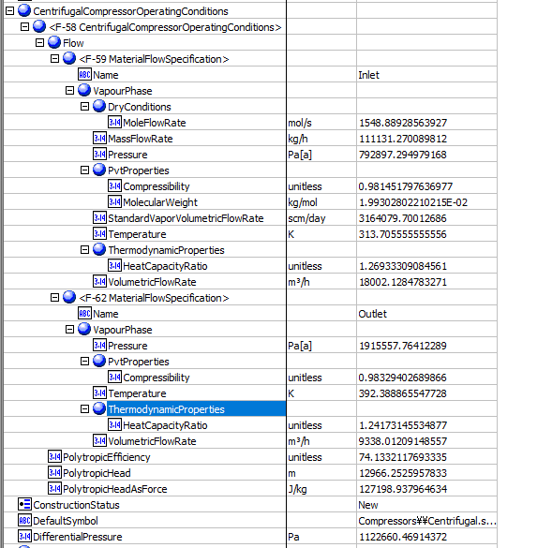
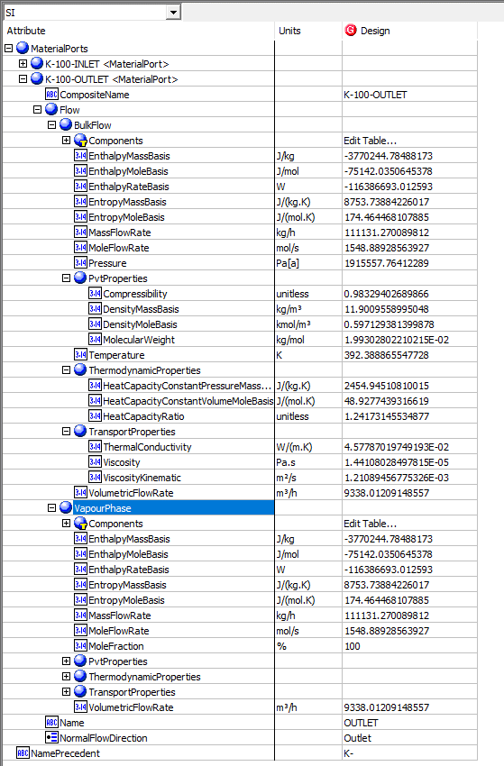
Compressor(CQ00744505)

Index Number | Attributes | AbeAds Compressor Class View | Abe Default Attributes View | Hysys value | Unit

1 | Standard Volumetric Flowrate (STD_m3/h) | StandardVaporVolumetricFlowRate (scm/day) | CentrifugalCompressorOperatingConditions(1).Flow[Name=Inlet].VapourPhase.StandardVaporVolumetricFlowRate | 131841.41133 | (STD_m3/h)
2 | Mass Flow Rate (kg/h) | Mass Flow In (kg/h) | CentrifugalCompressorOperatingConditions(1).Flow[Name=Inlet].VapourPhase.MassFlowRate | 111131.27098 | kg/h
3 | Inlet Pressure (kPa) | Pressure In (Pa[a]) | CentrifugalCompressorOperatingConditions(1).Flow[Name=Inlet].VapourPhase.Pressure | 792.89729498 | kPa
4 | Inelet Temperature (K) | Temperature In (K) | CentrifugalCompressorOperatingConditions(1).Flow[Name=Inlet].VapourPhase.Temperature | 313.70555556 | K
5 | Molecular Weight | MolecularWeight (kg/mol) | CentrifugalCompressorOperatingConditions(1).Flow[Name=Inlet].VapourPhase.PvtProperties.MolecularWeight | 19.930280221 | g/mol
6 | Inlet Cp/Cv | SpecificHeatRatioIn | CentrifugalCompressorOperatingConditions(1).Flow[Name=Inlet].VapourPhase.ThermodynamicProperties.HeatCapacityRatio | 1.2693330908
7 | Inlet Z factor | CompressibiltyIn | CentrifugalCompressorOperatingConditions(1).Flow[Name=Inlet].VapourPhase.PvtProperties.Compressibility | 0.98145179764
8 | Inlet Volumetric Flowrate(ACT_m3/h) | VolumetricFlowIn (m3/h) | CentrifugalCompressorOperatingConditions(1).Flow[Name=Inlet].VapourPhase.VolumetricFlowRate | 18002.128622 | (ACT_m3/h)
9 | Discharge Pressure(kPa) | Pressure Out (Pa[a]) | CentrifugalCompressorOperatingConditions(1).Flow[Name=Outlet].VapourPhase.Pressure | 1915.5577641 | kPa
10 | Discharge Temperature (K) | Temperature Out (K) | CentrifugalCompressorOperatingConditions(1).Flow[Name=Outlet].VapourPhase.Temperature | 392.38886555
11 | Discharge Cp/Cv | SpecificHeatRatioOut | CentrifugalCompressorOperatingConditions(1).Flow[Name=Outlet].VapourPhase.ThermodynamicProperties.HeatCapacityRatio | 1.2417314553
12 | Discharge Z factor | Compressibiltyout | CentrifugalCompressorOperatingConditions(1).Flow[Name=Outlet].VapourPhase.PvtProperties.Compressibility | 0.9832940269
13 | Polytropic Head (m) | PolytropicHead (m) | CentrifugalCompressorOperatingConditions(1).PolytropicHead | 12970.681932 | m
14 | Polytropic Efficiency/Isentropic | PolytropicEfficiency (%) | CentrifugalCompressorOperatingConditions(1).PolytropicEfficiency | 74.133211769 | %
16 | Mole Flow Rate (gmole/s) | MolarFlowIn (mol/s) | CentrifugalCompressorOperatingConditions(1).Flow[Name=Inlet].VapourPhase.DryConditions.MoleFlowRate | 1548.8892856 | gmole/s
20 | Volumetric flowOut (ACT_m3/h) | VolumetricFlowOut (m3/h) | VolumetricFlowOut (m3/h) | 9338.0121662 | (ACT_m3/h)
21 | Pressure Drop (kPa) | Pressure Drop (Pa) | Pressure Drop | 1123 | kPa

Compressor Curves(CQ00744505) |  |  |  |  |  | Compressor Curves in ABE

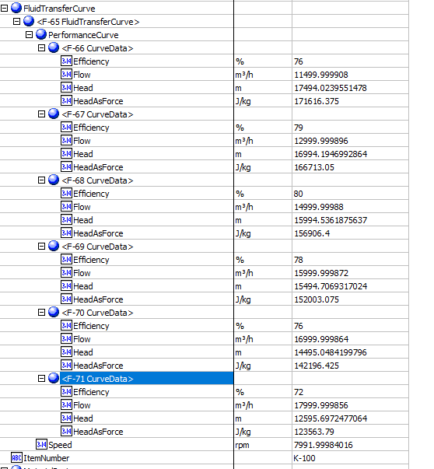
Index Number | Attributes | AbeAds Class View | Abe Default Attributes View | Hysys Data | Units

23 | Curve Speed (rpm) | Speed (rpm) | Curves.Speed (rpm) | 7991.9998402 | rmp

1 | Efficiency (%) | DataEfficiency (%) | Curves. PerformanceCurves.Efficiency (fraction)
 | 1 |  | 1 | 76 | %
 | 2 |  | 2 | 79 | %
 | 3 |  | 3 | 80 | %
 | 4 |  | 4 | 78 | %
 | 5 |  | 5 | 76 | %
 | 6 |  | 6 | 72 | %

2 | Flow (ACT_m3/h) | DataFlow | Curves. PerformanceCurves.Flow (m3/h)
 | 1 |  | 1 | 11500 | ACT_m3/h
 | 2 |  | 2 | 13000 | ACT_m3/h
 | 3 |  | 3 | 15000 | ACT_m3/h
 | 4 |  | 4 | 16000 | ACT_m3/h
 | 5 |  | 5 | 17000 | ACT_m3/h
 | 6 |  | 6 | 18000 | ACT_m3/h

3 | Head (m) | DataHead | Curves. PerformanceCurves.Head (m)
 | 1 |  | 1 | 17500 | m
 | 2 |  | 2 | 17000 | m
 | 3 |  | 3 | 16000 | m
 | 4 |  | 4 | 15500 | m
 | 5 |  | 5 | 14500 | m
 | 6 |  | 6 | 12600 | m

3 | Head (m) | DataHead | Curves. PerformanceCurves.Head (m)
 | 1 |  | 1 | 17500 | m
 | 2 |  | 2 | 17000 | m
 | 3 |  | 3 | 16000 | m
 | 4 |  | 4 | 15500 | m
 | 5 |  | 5 | 14500 | m
 | 6 |  | 6 | 12600 | m

